Water_Furfural_LLE
water/2-furancarboxaldehyde - Liquid-liquid equilibrium data |  |  |  |  | Lowest RMSE L1 | Lowest RMSE L2 | ASPEN NRTL MSE |  |  |  |  | ASPEN UNIQUAC MSE |  |  |  |  | ASPEN UNIFACMSE
No. | T | p environment | C/L1 | C/L2 | 0.007681263403 | 0.12045538531 | LIQUID1 MOLEFRAC FURFURAL | LIQUID2 MOLEFRAC FURFURAL | TOTAL TEMP | L1 Error | L2 Error | LIQUID1 MOLEFRAC FURFURAL | LIQUID2 MOLEFRAC FURFURAL | TOTAL TEMP | L1 Error | L2 Error | LIQUID1 MOLEFRAC FURFURAL | LIQUID2 MOLEFRAC FURFURAL | TOTAL TEMP | L1 Error | L2 Error
 |  |  | 98-01-1 | 98-01-1 | NRTL | NRTL | 0.0263198 | 0.932941 | 298 | 0.00012063727225 | 0.014072127876 |  |  | 298 | 10000000000 | 10000000000 | 0.0201654 | 0.64576 | 298 | 2.332020681E-05 | 0.028410788025
 | K | Pa | mol/mol | mol/mol |  |  | 0.0262929 | 0.932734 | 298.1 | 0.00011633563881 | 0.014023059561 |  |  | 298.1 | 10000000000 | 10000000000 | 0.0201797 | 0.645662 | 298.1 | 2.183412529E-05 | 0.028443834409
 | 1 | 2 | 3 | 4 | NRTL | 3 | 0.0250743 | 0.921935 | 303 | 7.699360516E-05 | 0.016759632681 |  |  | 303 | 10000000000 | 10000000000 | 0.0208833 | 0.640864 | 303 | 2.100938896E-05 | 0.022986198544
1 | 298 | 101000 | 0.0153363 | 0.814315 | UNIQUAC | 1 | 0.0217769 | 0.865524 | 322.5 | 8.24321521E-06 | 0.016934857956 | 0.0426694 | 0.819045 | 322.5 | 0.00056470868496 | 0.006998159025 | 0.0237346 | 0.622159 | 322.5 | 2.331730944E-05 | 0.012821259361
2 | 298.1 | 101000 | 0.015507 | 0.814315 | UNIFAC | 2 | 0.0217531 | 0.864833 | 322.7 | 1.385402841E-05 | 0.012554082025 | 0.0422439 | 0.819629 | 322.7 | 0.00058626452641 | 0.004467719281 | 0.0237642 | 0.62197 | 322.7 | 3.286958224E-05 | 0.017113349124
3 | 303 | 101000 | 0.0162997 | 0.792476 |  |  | 0.0201419 | 0.788907 | 342 | 1.794708496E-05 | 0.012713239009 | 0.0215359 | 0.820607 | 342 | 8.07923776E-06 | 0.020866669209 | 0.027116 | 0.601337 | 342 | 7.49500129E-06 | 0.005597583489
4 | 322.5 | 101000 | 0.0189058 | 0.73539
5 | 322.7 | 101000 | 0.018031 | 0.752788 |  |  |  |  |  | RMSE L1 | 0.007681263403 |  |  |  | RMSE L1 | 70710.678119 |  |  |  | RMSE L1 | 0.0046519819079
6 | 342 | 101000 | 0.0243783 | 0.676154 |  |  |  |  |  | RMSE L2 | 0.12045538531 |  |  |  | RMSE L2 | 70710.678119 |  |  |  | RMSE L2 | 0.13866807669
Column-Description |  |  |  |  |  |  |  |  |  |  | 0.064068324359 |  |  |  |  | 70710.678119 |  |  |  |  | 0.071660029297
1 | T | temperature
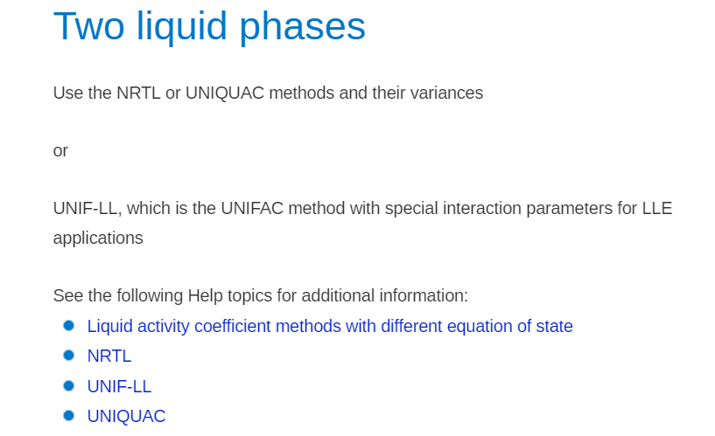
2 | p environment | environmental pressure
3 | C/L1 | concentration, 2-furancarboxaldehyde, liquid
4 | C/L2 | concentration, 2-furancarboxaldehyde, liquid
Components
1 | 7732-18-5 | water
2 | 98-01-1 | 2-furancarboxaldehyde
References
UTI | DDB-LLE:2018/34069
Literature | DELI-112002

